PopulationReport
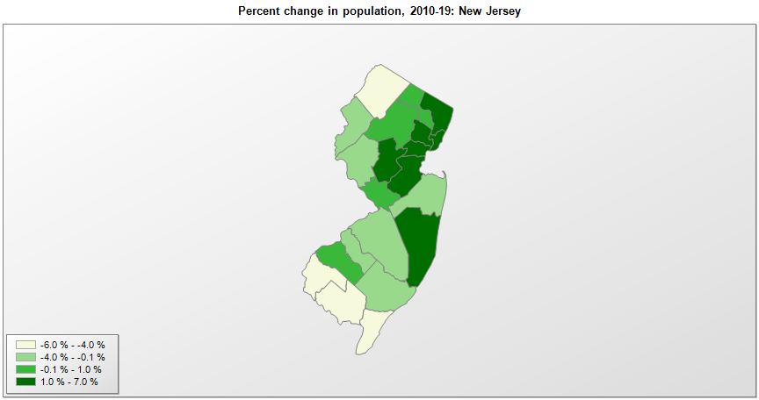

FIPS* | County name | RUC code | Pop. 1990 | Pop. 2000 | Pop. 2010 | Pop. 2019 | Change 2010-19
34000 | New Jersey |  | 7,747,750 | 8,414,764 | 8,791,978 | 8,882,190 | 1.0%
34001 | Atlantic County | 2 | 224,327 | 253,210 | 274,525 | 263,670 | -4.0%
34003 | Bergen County | 1 | 825,380 | 884,179 | 905,107 | 932,202 | 3.0%
34005 | Burlington County | 1 | 395,066 | 423,329 | 448,730 | 445,349 | -0.8%
34007 | Camden County | 1 | 502,824 | 507,075 | 513,535 | 506,471 | -1.4%
34009 | Cape May County | 3 | 95,089 | 102,323 | 97,257 | 92,039 | -5.4%
34011 | Cumberland County | 3 | 138,053 | 146,454 | 156,627 | 149,527 | -4.5%
34013 | Essex County | 1 | 777,964 | 792,235 | 783,891 | 798,975 | 1.9%
34015 | Gloucester County | 1 | 230,082 | 255,946 | 288,756 | 291,636 | 1.0%
34017 | Hudson County | 1 | 553,099 | 609,041 | 634,284 | 672,391 | 6.0%
34019 | Hunterdon County | 1 | 107,852 | 122,110 | 127,361 | 124,371 | -2.3%
34021 | Mercer County | 2 | 325,759 | 350,773 | 367,485 | 367,430 | 0.0%
34023 | Middlesex County | 1 | 671,712 | 750,275 | 810,038 | 825,062 | 1.9%
34025 | Monmouth County | 1 | 553,192 | 615,253 | 630,362 | 618,795 | -1.8%
34027 | Morris County | 1 | 421,330 | 470,277 | 492,281 | 491,845 | -0.1%
34029 | Ocean County | 1 | 433,203 | 510,950 | 576,546 | 607,186 | 5.3%
34031 | Passaic County | 1 | 470,872 | 490,285 | 501,600 | 501,826 | 0.0%
34033 | Salem County | 1 | 65,294 | 64,272 | 66,072 | 62,385 | -5.6%
34035 | Somerset County | 1 | 240,222 | 297,544 | 323,479 | 328,934 | 1.7%
34037 | Sussex County | 1 | 130,936 | 144,343 | 148,936 | 140,488 | -5.7%
34039 | Union County | 1 | 493,819 | 522,507 | 536,464 | 556,341 | 3.7%
34041 | Warren County | 2 | 91,675 | 102,383 | 108,642 | 105,267 | -3.1%

Source: U.S. Census Bureau, 1990, 2000, and 2010 Censuses of Population (corrected), and 2019 County Total Population Estimates. 1) The FIPS codes uniquely identify each county and are part of the Federal Information Processing Standards (FIPS) developed by the National Institute of Standards and Technology (NIST), U.S. Department of Commerce. For more information, see the NIST FIPS publication page. 2) The 2013 rural-urban continuum codes classify metropolitan counties (codes 1 through 3) by size of the Metropolitan Statistical Area (MSA), and nonmetropolitan counties (codes 4 through 9) by degree of urbanization and proximity to metro areas. See rural-urban continuum codes for precise definitions of each code.

